Sheet 1
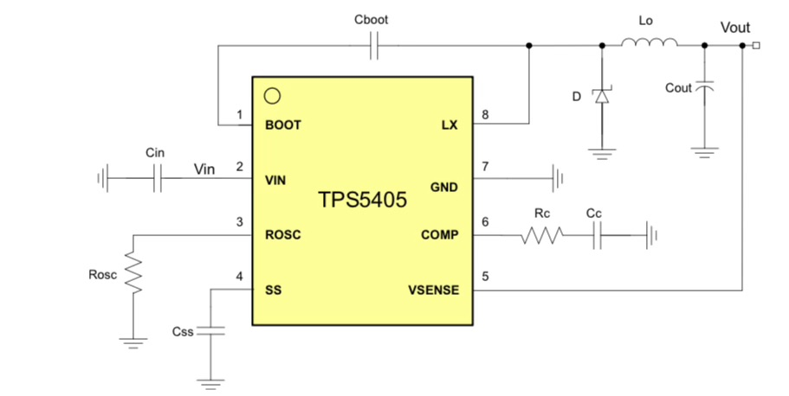
Table 1

CBOOT
LO | Inductor spec | 3.4670008354E-05
COUT
D
RC
CC
CSS (nF) | Soft Start Cap (<27nF) | 12.5
ROSC (kOhm) |  | 85.5
CIN

T_ss (ms) | Soft start time | 5
I_ss(uA) | Soft charge current | 2
V_ref(V) | Soft start reference voltage | 0.8
V_in | Input voltage | 13.3
V_out | Output voltage | 5
Fsw | Switching frequency | 300000
I_o | Output current | 1
LIR | Inductor p2p ripple current | 0.3

